F.14 Reconciliation to FF1
Protocol F.14

 | FERC Form 1 Page 429 - BSC Provided Costs Only from 'F.14 FF1 Page'
 | TRANSACTIONS WITH ASSOCIATED (AFFILIATED) COMPANIES
 | 1. Report below the information called for concerning all non-power goods or services received from or provided to associated (affiliated) companies. 2. The reporting threshold for reporting purposes is $250,000. The threshold applies to the annual amount billed to the respondent or billed to an associated/affiliated company for non-power goods and services. The good or service must be specific in nature. Respondents should not attempt to include or aggregate amounts in a nonspecific category such as "general". 3. Where amounts billed to or received from the associated (affiliated) company are based on an allocation process, explain in a footnote.
 | Line No.
 |  | Non-power Goods or Services Provided by Affiliate |  |  |  |  |  |  | From FF1 | From F.14 Attachment | Difference
 |  | Financial Services (Direct) | Exelon BSC | 923, 924 | 3,621,517 | A |  | Financial Services (A) | 20,297,892 | 20,297,892 | -
 |  | Financial Services (Indirect) | Exelon BSC | Various | 16,676,374 | A |  | Communication Services (B) | 2,384,746 | 2,384,746 | -
 |  | Communication Services (Direct) | Exelon BSC | 923 | 8,654 | B |  | HR Services (C) | 9,898,547 | 9,898,547 | (0.0)
 |  | Communication Services (Indirect) | Exelon BSC | Various | 2,376,092 | B |  | Legal Services (D) | 11,836,304 | 11,836,305 | -
 |  | Human Resources Services (Direct) | Exelon BSC | 923, 930 | 10,387,064 | C |  | General and Administrative (E) | 33,374,630 | 33,374,630 | -
 |  | Human Resources Services (Indirect) | Exelon BSC | Various | (488,516) | C |  | Security Services (F) | 12,705,739 | 12,705,739 | -
 |  | Legal Governance Services (Direct) | Exelon BSC | 923 | 2,368,529 | D |  | Supply Services (G) | 5,399,080 | 5,399,080 | 0.6
 |  | Legal Governance Services (Indirect) | Exelon BSC | Various | 9,467,776 | D |  | IT and Telecommunications (H) | 231,974,793 | 231,974,794 | (0.6)
 |  | Executive Services (Direct) | Exelon BSC | 923 | 66,669 | E |  | Reg & Govt Affair Services (I) | 1,487,613 | 1,487,613 | -
 |  | Executive Services (Indirect) | Exelon BSC | Various | 10,560,500 | E |  | Contracting Expenses (J) | 4,820,058 | 4,820,058 | (0.0)
 |  | BSC Commercial Operation Group Services (Direct) | Exelon BSC | 920 | 14,962 | E |  | Other Miscellaneous Expenses (K) | 2,043,546 | 2,043,546 | -
 |  | BSC Commercial Operation Group Services (Indirect) | Exelon BSC | 923 | 182,967 | E |  |  | 336,222,949 | 336,222,949 | (0.0)
 |  | Real Estate Services (Indirect) | Exelon BSC | Various | 2,043,546 | K
 |  | Security Services (Direct) | Exelon BSC | 923 | (189) | F
 |  | Security Services (Indirect) | Exelon BSC | Various | 12,705,928 | F
 |  | BSC Exelon Utility (Direct) | Exelon BSC | 560, 923 | 1,100,107 | E
 |  | BSC Exelon Utility (Indirect) | Exelon BSC | Various | 21,449,426 | E
 |  | Supply Services (Direct) | Exelon BSC | Various | 211,427 | G
 |  | Supply Services (Indirect) | Exelon BSC | Various | 5,187,653 | G
 |  | IT Non Telecommunications Services (Direct) | Exelon BSC | Various | 68,081,368 | H
 |  | IT Non Telecommunications Services (Indirect) | Exelon BSC | Various | 163,893,425 | H
 |  | Regulatory and Government Affairs Services (Direct) | Exelon BSC | 923 | (360) | I
 |  | Regulatory and Government Affairs Services (Indirect) | Exelon BSC | Various | 1,487,973 | I
 |  | BSC Other Services (Indirect) | Exelon BSC | Various | 4,820,058 | J
 |  |  |  |  | 336,222,949 | To FERC Form 60

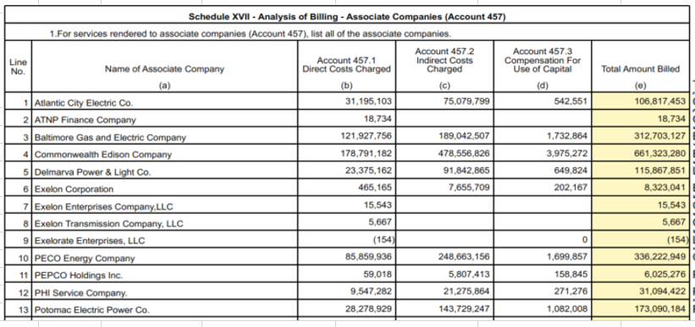
 | Exelon Business Services Company
 | FERC Form 60
 | Schedule XVII

 |  |  |  |  |  |  | To FF1

F.14 FF1 Page
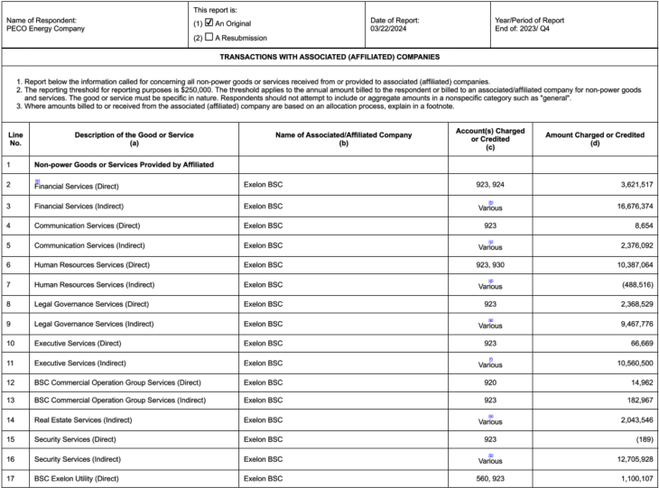
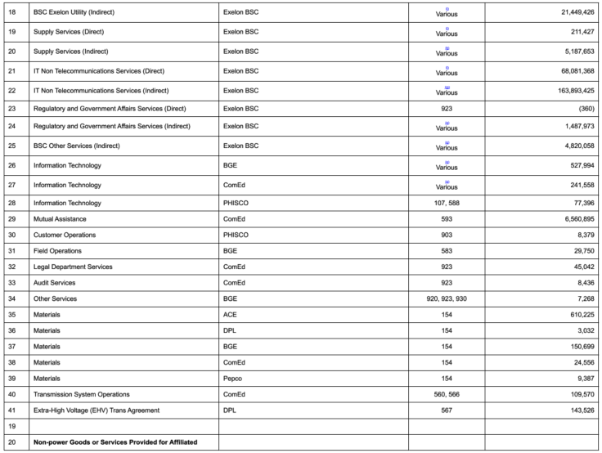
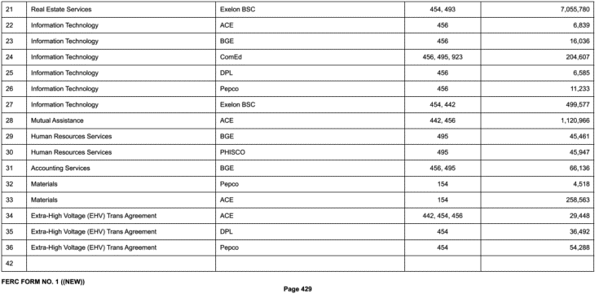
Protocol F.14

F.18 Summary
Protocol F.18

 | Include a workpaper that exhibits the 13-month average balances with regard to the references to page 227 of the FERC Form No. 1 in column g (Materials and Supplies) to Attachment 4 of the Formula Rate Template, for (i) line 8, (ii) the transmission amount used from line 5 and (iii) line 16. In addition, this workpaper shall provide the calculation as described in Note L of Attachment 4 showing the 50% discount and cap for line 5 and the labor ratio multiplied by line 16 for each month.

 | PECO M&S
 | As of 12/31/2023
F.18 FF1 Page tab, line 5; see notes of FF1
F.18 FF1 Page tab; line 8 of FF1

 | Line # |  | Description |  | Transmission M&S Total | Capital Split | Capital Split with 50% recovery up to $9M (Note L) | O&M Split | Transmission M&S 13 Month Average to Attachment 4
 | 1 |  | December | 2022 | 22,281,960 | 15,738,496 | 7,869,248 | 6,543,464 | 14,412,712
 | 2 |  | January | 2023 | 22,012,958 | 17,176,499 | 8,588,249 | 4,836,460 | 13,424,709
 | 3 |  | February | 2023 | 22,525,929 | 17,576,765 | 8,788,382 | 4,949,164 | 13,737,547
 | 4 |  | March | 2023 | 22,058,697 | 17,212,188 | 8,606,094 | 4,846,509 | 13,452,603
 | 5 |  | April | 2023 | 22,316,707 | 17,413,511 | 8,706,755 | 4,903,196 | 13,609,952
 | 6 |  | May | 2023 | 22,516,761 | 17,569,611 | 8,784,805 | 4,947,150 | 13,731,955
 | 7 |  | June | 2023 | 23,173,570 | 18,082,112 | 9,000,000 | 5,091,457 | 14,091,457
 | 8 |  | July | 2023 | 23,363,466 | 18,230,287 | 9,000,000 | 5,133,179 | 14,133,179
 | 9 |  | August | 2023 | 23,541,737 | 18,369,390 | 9,000,000 | 5,172,347 | 14,172,347
 | 10 |  | September | 2023 | 23,266,668 | 18,154,756 | 9,000,000 | 5,111,912 | 14,111,912
 | 11 |  | October | 2023 | 25,368,209 | 19,794,568 | 9,000,000 | 5,573,641 | 14,573,641
 | 12 |  | November | 2023 | 25,621,007 | 19,991,824 | 9,000,000 | 5,629,183 | 14,629,183
 | 13 |  | December | 2023 | 25,364,097 | 19,791,360 | 9,000,000 | 5,572,737 | 14,572,737
F.18 FF1 Page tab, line 5; see notes of FF1
F.18 FF1 Page tab; line 8 of FF1
 | Total |  |  |  |  |  |  |  | 14,050,303

 | Note L | From Attachment 4: TLF shall be equal to 50 percent of the lesser of (a) the transmission portion of FERC Form 1, page 227, line 5, column c per FERC Form No. 1) and (b) $9 million. The TLF recovery percentage and cap will be subject to modification only through Commission authorization under section 205 or section 206 of the Federal Power Act.

F.18 FF1 Page
Protocol F.18

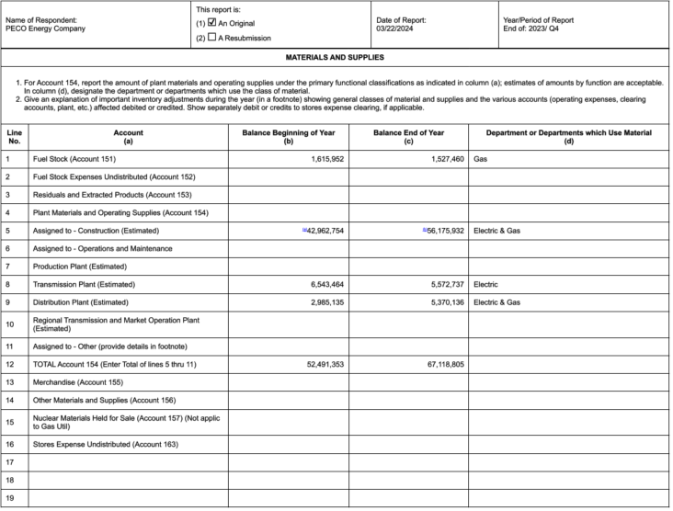

From F.18 Summary
From F.18 Summary

From F.18 Summary

From F.18 Summary

