5a Affiliate Allocations
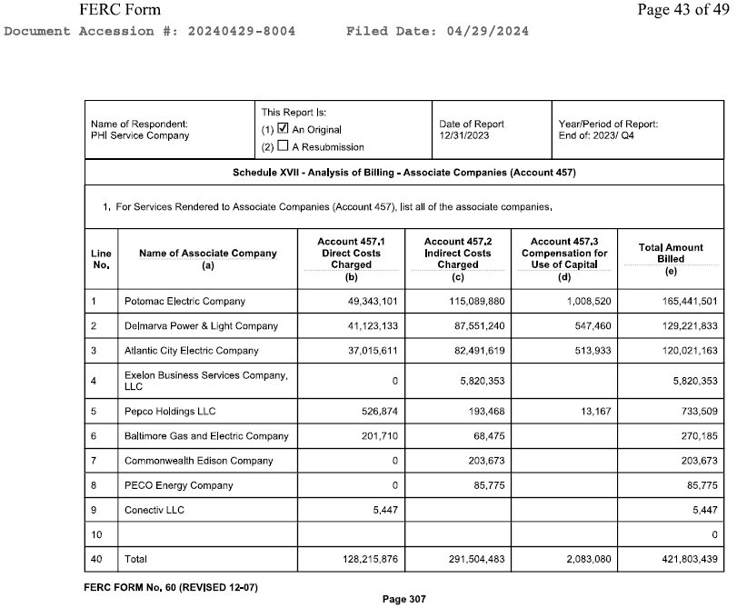
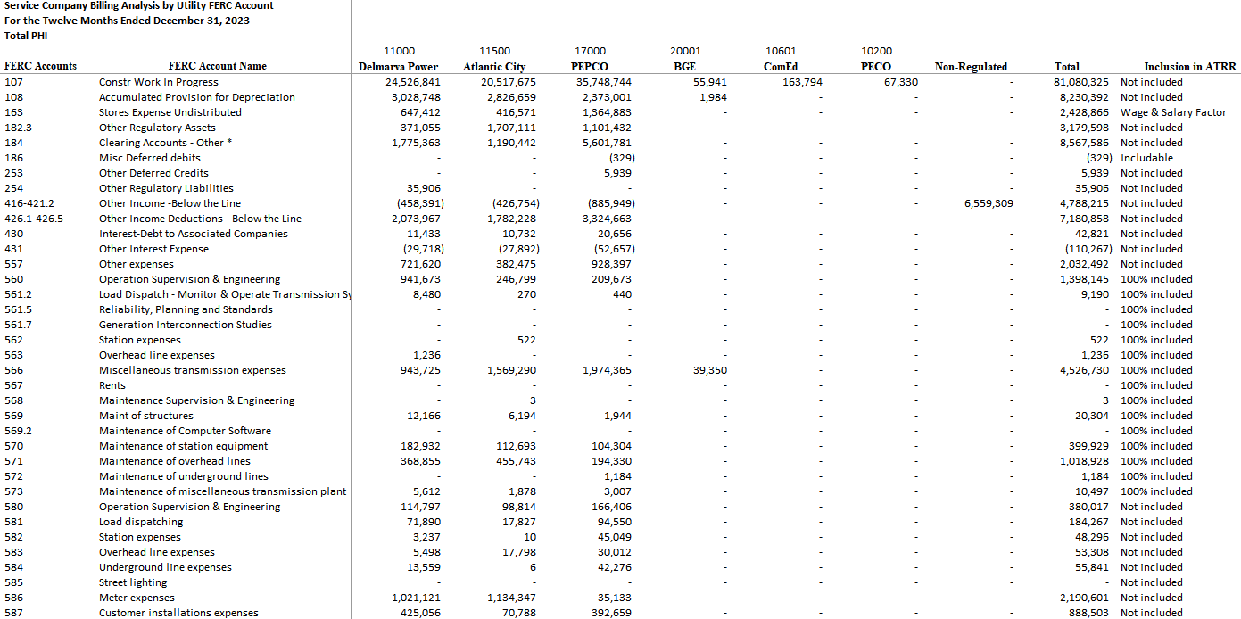
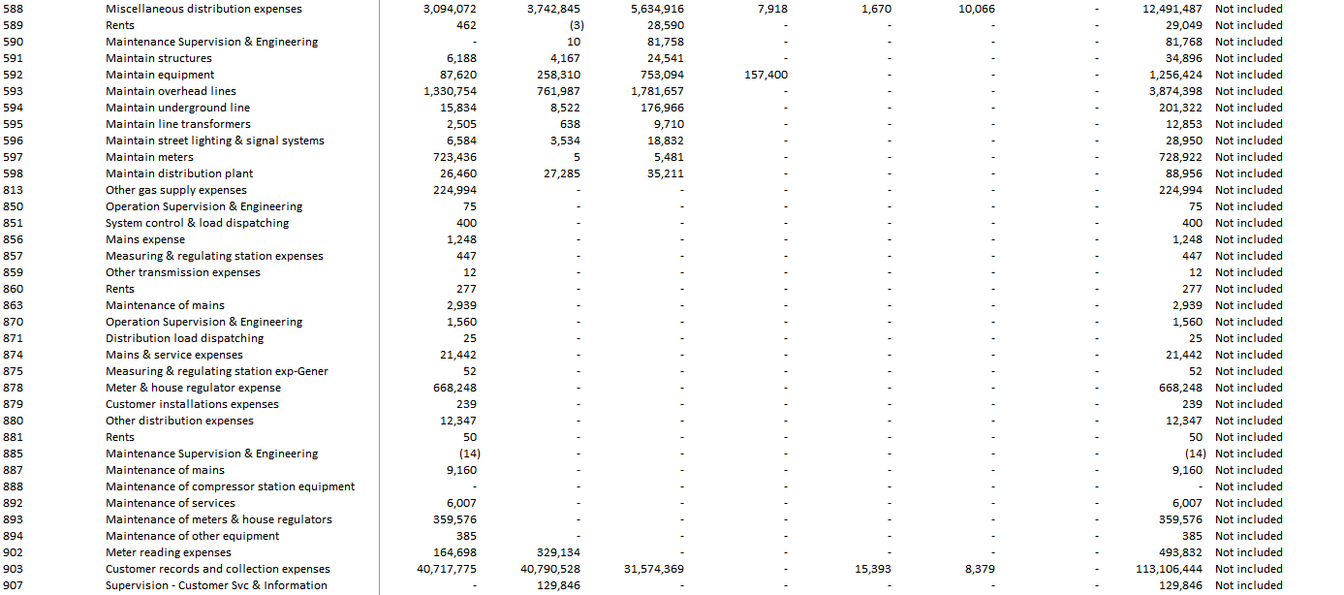
Potomac Electric Power Company
Attachment 5a - Allocations of Costs to Affiliate

 | Delmarva | Atlantic
 | Power | City | Pepco | BGE | ComEd | PECO | Non - Regulated | Total

Executive Management | $999,848 | 938,533 | 1,740,359 | - | - | - | $15,712 | $3,694,452

Support Services | 8,541,151 | 6,904,412 | 16,453,680 | - | - | - | 5,824,574 | 37,723,817

Financial Services | 7,084,775 | 6,736,381 | 11,839,845 | - | - | - | 239,695 | 25,900,696

Human Resources | 3,032,535 | 2,090,978 | 4,542,399 | - | - | - | - | 9,665,912

Legal Services | 1,718,407 | 1,519,443 | 2,612,206 | - | - | - | 308,874 | 6,158,930

Customer Services | 46,029,354 | 42,843,903 | 33,737,617 | 7,592 | 15,393 | 8,379 | - | 122,642,238

Information Technology | 10,336,671 | 10,430,421 | 16,292,672 | - | - | - | 42,652 | 37,102,416

Government Affairs | 9,619,610 | 9,019,239 | 13,322,195 | - | - | - | 92,469 | 32,053,513

Communication Services | 1,971,984 | 1,704,622 | 3,285,350 | - | - | - | 33,810 | 6,995,766

Regulated Electric and Gas Operation Services | 39,226,433 | 37,403,578 | 60,224,409 | 262,593 | 188,280 | 77,396 | 1,378 | 137,384,067

Supply Services | $661,065 | 429,653 | 1,390,769 | - | - | - | $145 | $2,481,632

Total | $129,221,833 | $120,021,163 | $165,441,501 | $270,185 | $203,673 | $85,775 | $6,559,309 | $421,803,439

